Dashboard

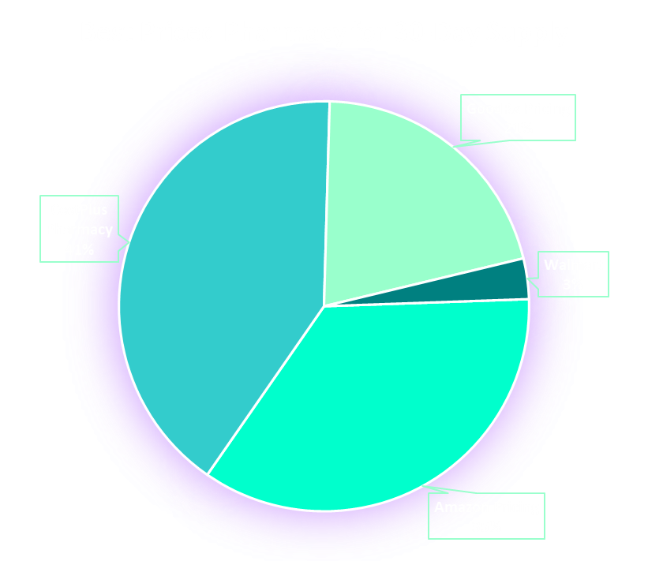
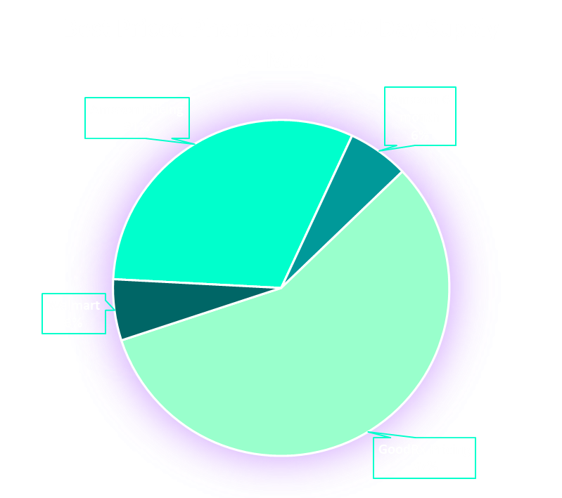
Row Labels | Times Pharmacy Had the Best Option | Row Labels | Count of Medications
Amazon Pricing | 44 | Amazon Pricing | 37
CostPlus Pharmacy | 51 | Amazon-6 month | 7
GoodRx Pricing | 26 | GoodRx Pricing | 68
Walmart | 4 | n/a | 6
Grand Total | 125 | Walmart | 7
 |  | Grand Total | 125

 |  | Row Labels | Count of Medication

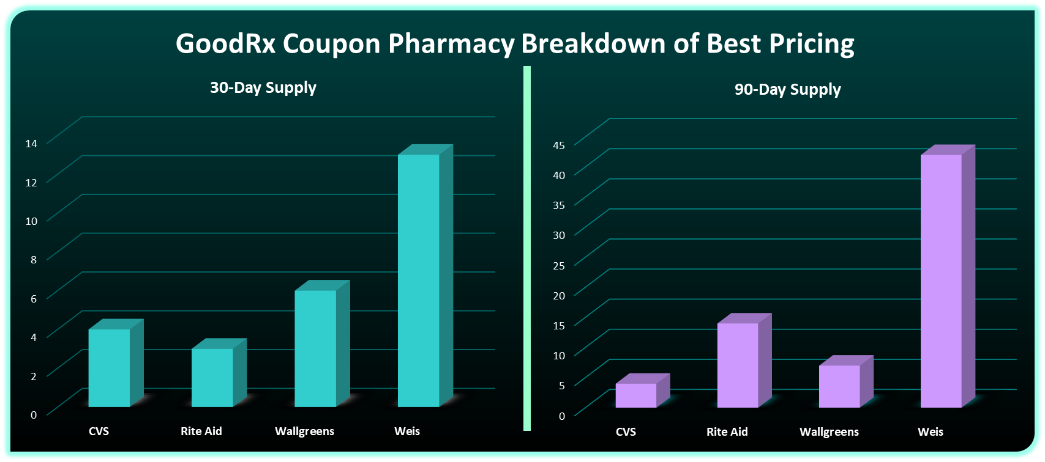

Row Labels | Count of Medication | CVS | 4
CVS | 4 | Rite Aid | 14
Rite Aid | 3 | Wallgreens | 7
Wallgreens | 6 | Weis | 42
Weis | 13 | Weis, Rite Aid | 2
Grand Total | 26 | #N/A | 1
 |  | Grand Total | 68

